Tabelle1
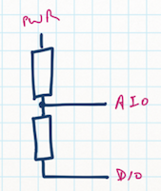
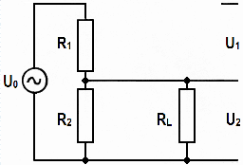
 |  | U-Bat | 1,200 | mV
 |  | R1 | 470 | kOhm
 |  | R2 | 100 | kOhm
 |  | Ua | 211 | mV
U-Bat
 |  | Bandgap Voltage | 1,100 | mV
 |  |  |  |  | 0.17543859649
 |  | Max ADC | 1,023
 |  | Bandgap/max ADC | 1.075 | mV/tick
 |  | Return from ADC | 196 | ticks | 12.383900929
 | U2=U-Bat*(R2/(R1+R2)) |  |  |  | float tmpFloat = ((adcValue * AVR_BANDGAP_VOLTAGE) / 1023) / (BATTERY_FACTOR / 1000); | // calculate battery voltage in mV
 |  |  |  |  | float tmpFloat = ((adcValue * AVR_BANDGAP_VOLTAGE) / 1023) / tFact;
 |  | Factor | 0.17543859649
 |  | Factor * 100 abgerundet | 17

